Sheet1- Designated duties
Business Stakeholder

 | Problem statement : Do Dietary Preferences affect Price? Sub question : Does diet X ('vegan', 'keto-friendly', ...) affect the price?

Data Engineer

 |  | Total Products | 6737
 |  | Min # of Sample | 30 | sampling coefficient

We have decided to sample the data with coefficient 30 and generated the random numbers as the data engineer, collected the data dividing the meat into subcategories like turkey, checken then further categorised it based on raw meat and processed meat, there were no significant identification of null values and collected the data points as shown in the table.
Category | Sub category | Total per subcategory | Total per category | Sampling proportion per category | Samples needed per category | Samples needed per category + min sample | Sampling proportion per subcategory | Samples needed per category
Meat | Beef | 24 | 254 | 0.0377 | 10 | 40 | 0.094488188976 | 4
 | Chicken | 24 |  |  |  |  | 0.094488188976 | 4
 | Pork | 60 |  |  |  |  | 0.23622047244 | 9
 | Turkey | 25 |  |  |  |  | 0.09842519685 | 4
 | Goat, lamb & veal | 3 |  |  |  |  | 0.011811023622 | 0
 | Bacon | 4 |  |  |  |  | 0.015748031496 | 1
 | Hotdogs & sausage | 6 |  |  |  |  | 0.023622047244 | 1
 | Meat alternatives | 78 |  |  |  |  | 0.30708661417 | 12
 | Seafood | 30 |  |  |  |  | 0.11811023622 | 5

total amount of data points you have collected : |  |  | 1050

Product Manager

Category | Sub-Category | Must have products |  |  | Note: The types of products in the meat category were identified and the most appropriate subcategories were determined. First, we divided large categories into meat types such as chicken, beef, and pork, and subcategories were simply divided according to whether they were processed or raw. The proportion of the number of data we tried to collect was determined by the ratio of the products in each category. It could have been divided into subcategories more elaborately, however, we thought it was more efficient to collect data by simply dividing it into two subcategories to solve the problem of business stake holders. The fairness of the data was increased by collecting the ratio of raw and processed products in half. For example, if we were going to collect total of 20 data from the beef category, we would have to take 10 from the raw subcategory and 10 from the processed subcategory.
Turkey | Raw | Ground Turkey
Turkey | Raw | 94% Lean ground turkey thigh
Pork | Raw | Pork Shoulder Butt Bnls S1
Pork | Raw | Boneless Pork Loin Chops
Chicken | Raw | Organic Boneless And Skinless Chicken Breasts
Chicken | Raw | Organic Whole Chicken
Beef | Raw | Boneless Beef New York Strip Steak
Beef | Raw | Ground Beef 80% Lean/ 20% Fat
Turkey | Processed | Organic oven roasted turkey breast
Turkey | Processed | Ground Turkey (Processed)
Pork | Processed | Natural Uncured Genoa Salami, 4oz
Pork | Processed | Sliced Prosciutto
Pork | Processed | Organic Ground Pork
Pork | Processed | Calabrese Sliced Spicy Salame
Pork | Processed | Sliced Uncured Pepperoni
Pork | Processed | Rosemary Ham
Pork | Processed | Sliced Prosciutto Americano
Chicken | Processed | Organic Oven Roasted Chicken Breast
Chicken | Processed | Organic Plain Rotisserie Chicken
Beef | Processed | Beef Pastrami
Beef | Processed | Sliced Roast Beef

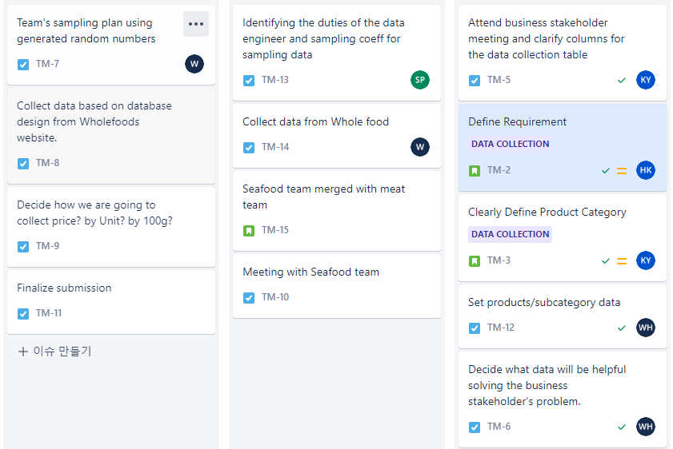 |  |  |  |  |  | * Use Jira Sofrware to organize and plan out the data collection project.

